N&E LCP Risk Register
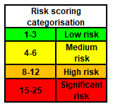
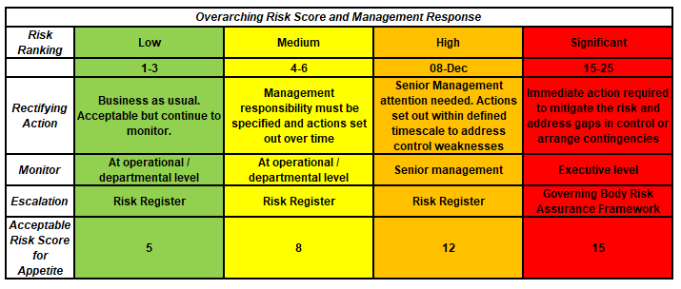
N&E LCP Risk Register

Programme Title |  | N&E LCP Risk and Issue Log
Version |  | 0.1
Date |  | 29-Feb-24
Updated by

ID | Status Live / Closed/removed from CRR | LCP | Meeting where risk is overseen/discussed | Risk Name | There is a risk that… | The impact of this is… | Likelihood | Impact | Risk Score | Controls | Control Gaps | Assurances | Assurance Gaps | Actions | Risk Owner | Progress/ Update | Last reviewed/ Up-dated
ONDLCP07 | Live | Northern | ONDLCP Board | Health Inequaltiies Locality Funding | There is a risk of notice periods having to be given if funding cannot be confirmed | We would lose valuable staff and service provision and end up spending more money to re-recruit for posts | 2 | 4 | 8
ONDLCP25 | Live | Northern | ONDLCP Board | ICB Restructure Impact | Risk to the whole programme as we have leads who are at risk as part of the ICB restructure. | Lose of administrative function and support functions. Partnership would have to bring more shared resource to the table. | 3 | 3 | 9

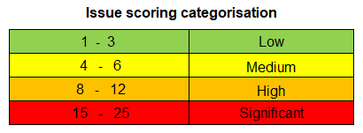

Issues Log
 |  |  |  |  |  | Mitigated Risk Scoring

ID | Date Raised | Description | Issue Rating (1-10) | Controls / Mitigation already in place | Mitigations planned if the issue escalates | Mitigated Impact (1-5) | Rating (Mitigated) | Rating (Target) | Issue Owner | Next Review Date | Status | Escalation Route

N&E Recorded DOIs 2024
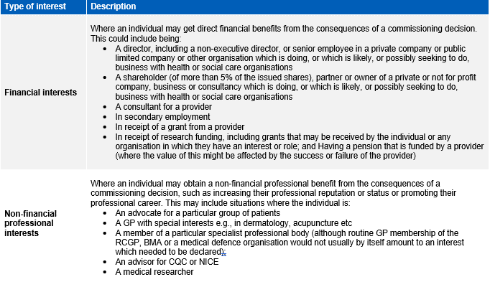
Date | Locality | Meeting | Name | Type of Interest | Description of Interest | Actions or Mitigations
2024-05-29 | Devon-wide | OND Board | Sonja Manton | Indirect Interests | Step-son is employed at South Central and West Commissioning Support Unit | N/A

