Action Log 202425
One Northern Devon LCP Action Log 2024 Onwards

Open Actions | 16 |  | Meeting
Completed Actions | 4 |  | ONDLCP Board | ONDLCP Programme
Delayed Actions | 0 |  | System Operation Group
In Progress Actions | 0
On Hold Actions | 0

Action Ref | Meeting | Date | Theme | Decisions | Action(s) | Action Owner (s) | Status | Due | Update
PG02 | ONDLCP Programme | 10th July 2024 | Mental health |  | Phil Harris to talk to David Richardson re where he envisages funding will come from and who within the Alliance could support the work. | Phil Harris | Open
PG03 | ONDLCP Programme | 10th July 2024 | Mental health |  | Proposal to be taken to Mental Health Alliance for discussion and then to OND Board (pending outcome of MH Alliance discussion). | Phil Harris | Open
ONDB06 | ONDLCP Board | 24th September 2024 | Research |  | OH to share educatoin and health outcome research | Oliver Hassall | Open | 24th October
ONDB12 | ONDLCP Board | 29th October 2024 | Winter priority - ED demand |  | SC to link with Nicola Dalgleish and Mike Rogers from BI re data. | Simon Chant | Open | 26th November
ONDB14 | ONDLCP Board | 26th November | Schools mental health provision (Ilfracombe) |  | DR to find out which professionals are linking with each school, and ask about the mapping of need that has been supplied by CFHD. | David Richardson | Open | 28th January
ONDB15 | ONDLCP Board | 26th November | Primary Care Outreach (Belle's Place) |  | LH to explore funding outreach in future and ask Primary Care Commissioning Team. | Lou Higgins | Open | 28th January
ONDB16 | ONDLCP Board | 26th November | Health Inequalities Locality Funding |  | Board to gather further information and score each scheme before January meeting | All members | Completed | 28th January | On January's agenda.
ONDB17 | ONDLCP Board | 26th November | Closing the Gap - Mission Statement |  | AB to amend mission statement | Andrea Beacham | Open | 28th January
ONB18 | ONDLCP Board | 26th November | Closing the Gap Programme |  | 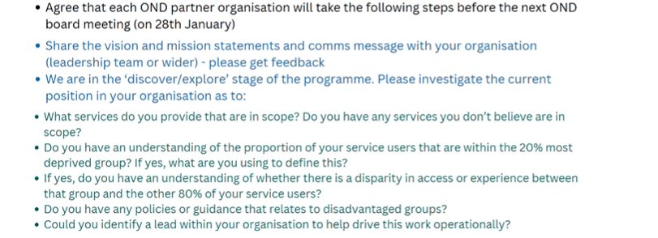 Board members to action steps below prior to the next meeting in January. | All members | Open | 28th January
PG43 | ONDLCP Programme | 8th January | Live Longer Better |  | Take out request re funding to Board but if a proposal is sent in let KB know. |  | Open
PG44 | ONDLCP Programme | 8th January | Anticipatory Care |  | FD to send all link to journal article. | Fiona Duncan | Open
PG45 | ONDLCP Programme | 8th January | Anticipatory Care |  | FD to email AB re risk of service ending and what request from Board is. | Fiona Duncan | Open
PG46 | ONDLCP Programme | 8th January | One Communities |  | Further information re request for One Communities chair (Terms of reference and frequency of meetings, etc) to be shared with Board. | James Lander | Open
PG47 | ONDLCP Programme | 8th January | Closing the Gap |  | AB to send blurb to JL to share with One Communities Group. | Andrea Beacham | Open
PG48 | ONDLCP Programme | 8th January | OND Programme Group agenda |  | Add agenda item – responses from board (from previous requests) and recommendations to board / development discussion. | Gemma Nield | Open

N&E LCP Risk Register
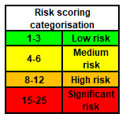
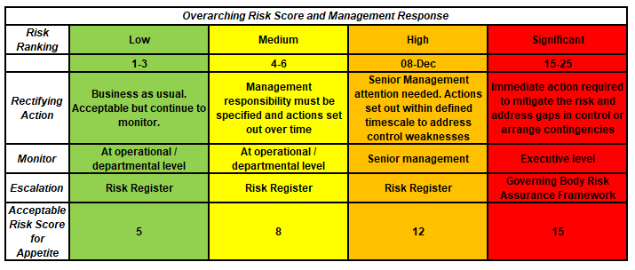
N&E LCP Risk Register

Programme Title |  | N&E LCP Risk and Issue Log
Version |  | 0.1
Date |  | 29-Feb-24
Updated by

ID | Status Live / Closed/removed from CRR | LCP | Meeting where risk is overseen/discussed | Risk Name | There is a risk that… | The impact of this is… | Likelihood | Impact | Risk Score | Controls | Control Gaps | Assurances | Assurance Gaps | Actions | Risk Owner | Progress/ Update | Last reviewed/ Up-dated
ONDLCP07 | Live | Northern | ONDLCP Board | Health Inequaltiies Locality Funding | There is a risk of notice periods having to be given if funding cannot be confirmed | We would lose valuable staff and service provision and end up spending more money to re-recruit for posts | 2 | 4 | 8
ONDLCP25 | Live | Northern | ONDLCP Board | ICB Restructure Impact | Risk to the whole programme as we have leads who are at risk as part of the ICB restructure. | Lose of administrative function and support functions. Partnership would have to bring more shared resource to the table. | 3 | 3 | 9

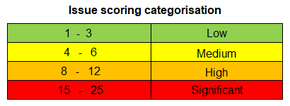

Issues Log
 |  |  |  |  |  | Mitigated Risk Scoring

ID | Date Raised | Description | Issue Rating (1-10) | Controls / Mitigation already in place | Mitigations planned if the issue escalates | Mitigated Impact (1-5) | Rating (Mitigated) | Rating (Target) | Issue Owner | Next Review Date | Status | Escalation Route

N&E Recorded DOIs 2024
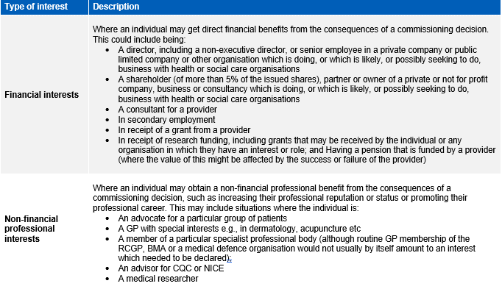
Date | Locality | Meeting | Name | Type of Interest | Description of Interest | Actions or Mitigations
2024-05-29 | Devon-wide | OND Board | Sonja Manton | Indirect Interests | Step-son is employed at South Central and West Commissioning Support Unit | N/A

